Concern
Hi Sir, | THIS IS WRONG

Kindly set up this in PRAS-GL, not in PRAS-IA.
I have attached the previous email of ISD related to this error.

Thank you and regards,
Gay

 |  | ISSUE 1 | They are connected (need to set up sql error on the right ) |  | issue 2

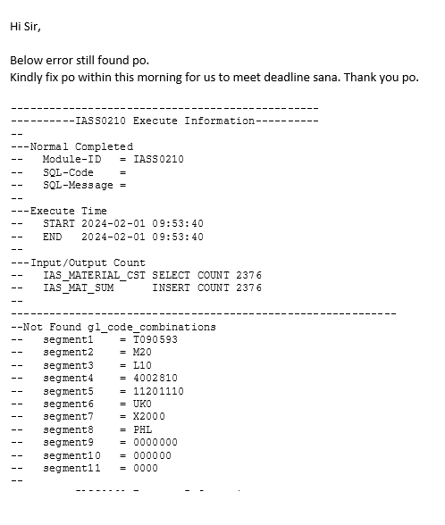
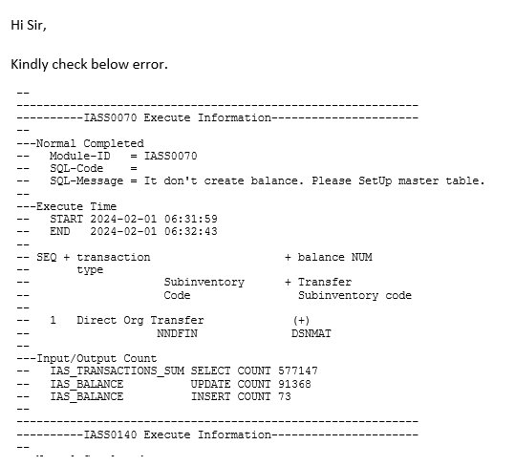

 |  |  |  | sila nag create ng transaction type, sub code, transfer sub code and yung (+)(-)

 |  |  |  | then need iset up sa IA balance(set up master maintenance) para may tugma na data papasukan yung ininput nila

checking
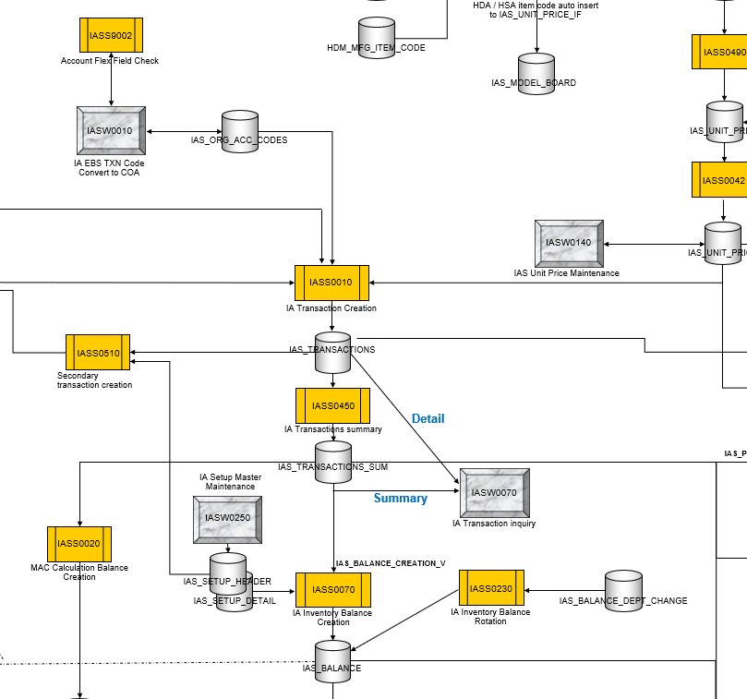

 |  | Mali ang input ng code combination set up dito

 |  | yung maling CC ang pumasok sa IAS_ORG_ACC_CODES

pero napagana na nila yung IASS0010 kaya dinampot na rin yung maling CC
papuntang IAS_TRANSACTIONS and IA_TRANSACTIONS_SUM

THE CODE COMBINATION FORMAT SHOULD MATCH IN HERE

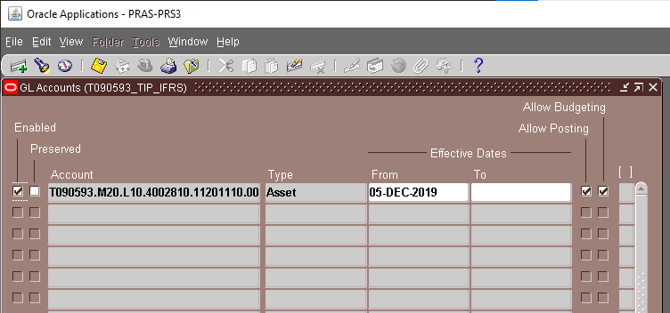
 | table:GL_CODE_COMBINATIONS
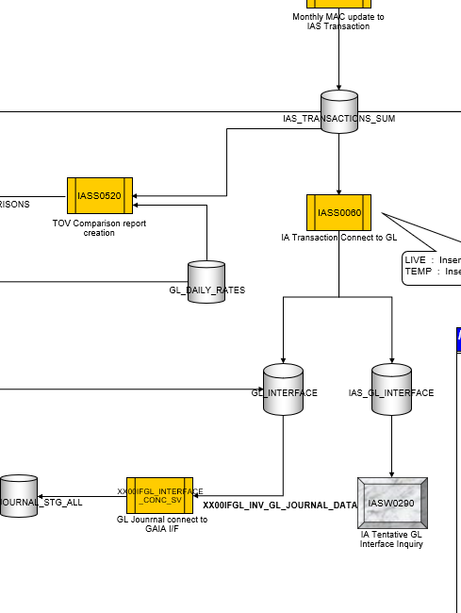
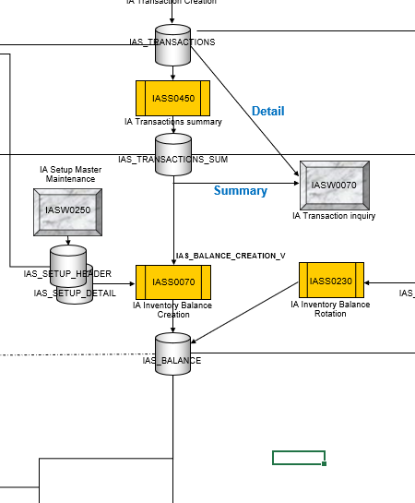
WHEN U QUERY THE CODE COMBINATION
IT WILL SHOW BECAUSE WE SET IT UP ON GL

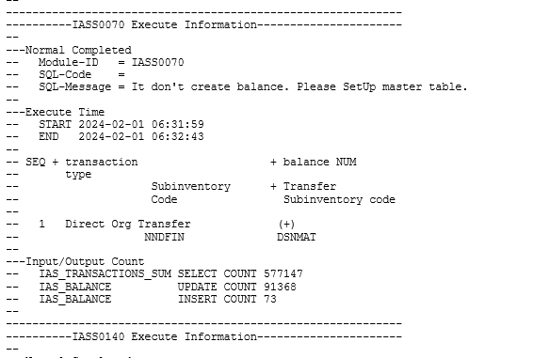
Kahit sa i-update namin dito
ay mababago lang ang data sa
IA_ORG_ACC_CODES
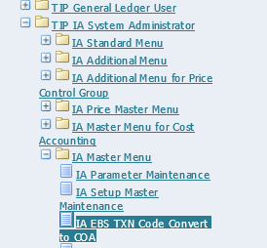

But due to wrong format error in set up,

THE CC IN IA AND GL DOESN'T MATCH WHEN RUNNING IASS0060(ITONG PROGRAM NA TO ANG TATAWID NG DATA FROM IA TO GL)

KAYA NOT FOUND YUNG ERROR KASI DI NGA NAG MATCH YUNG 2 CC

action
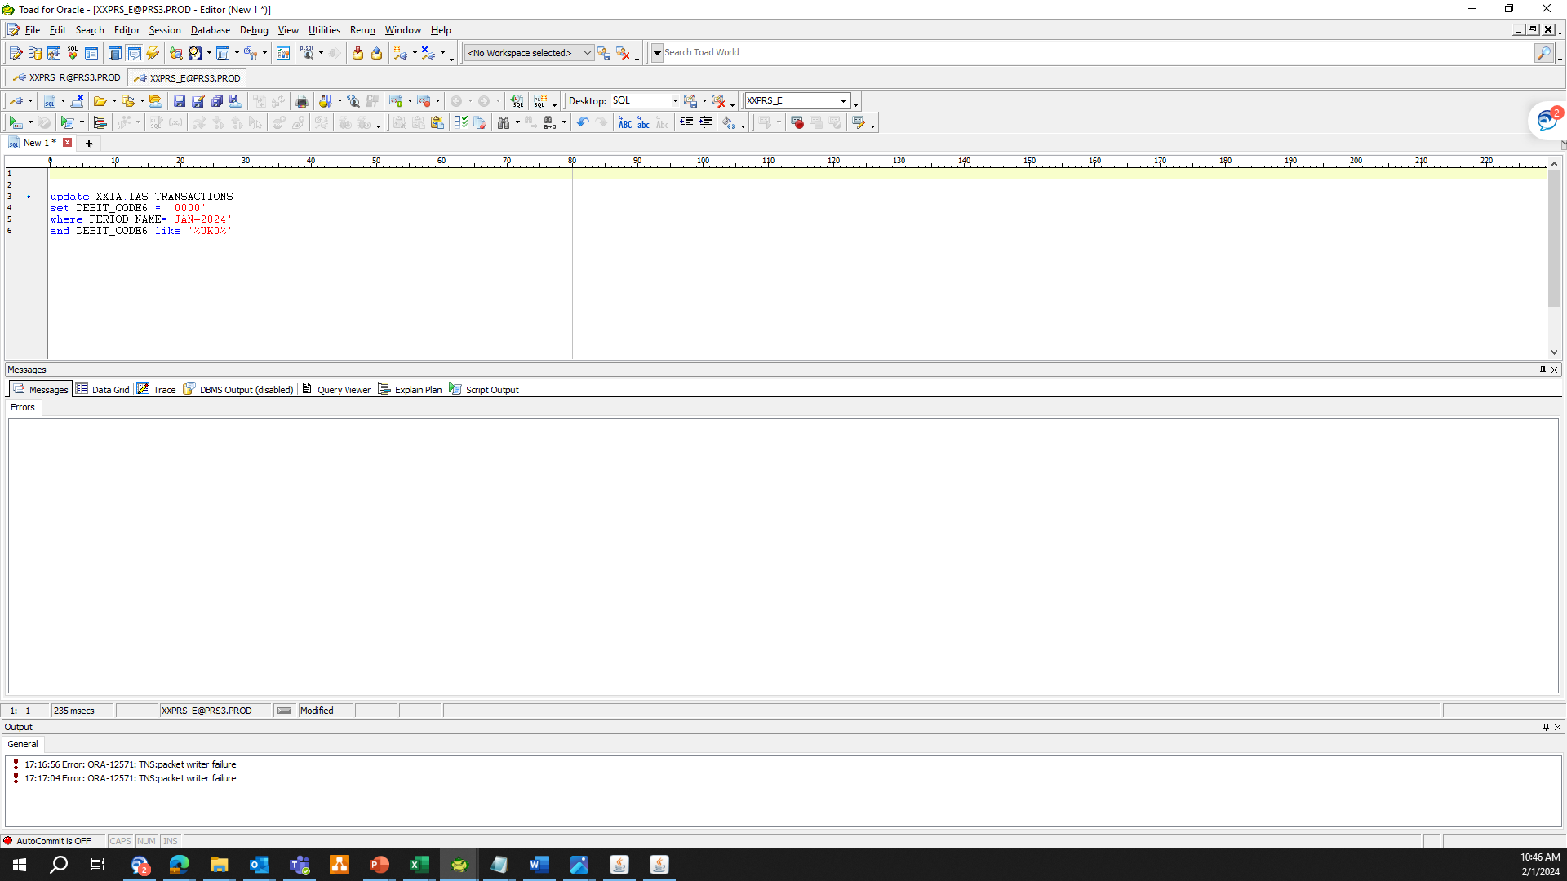
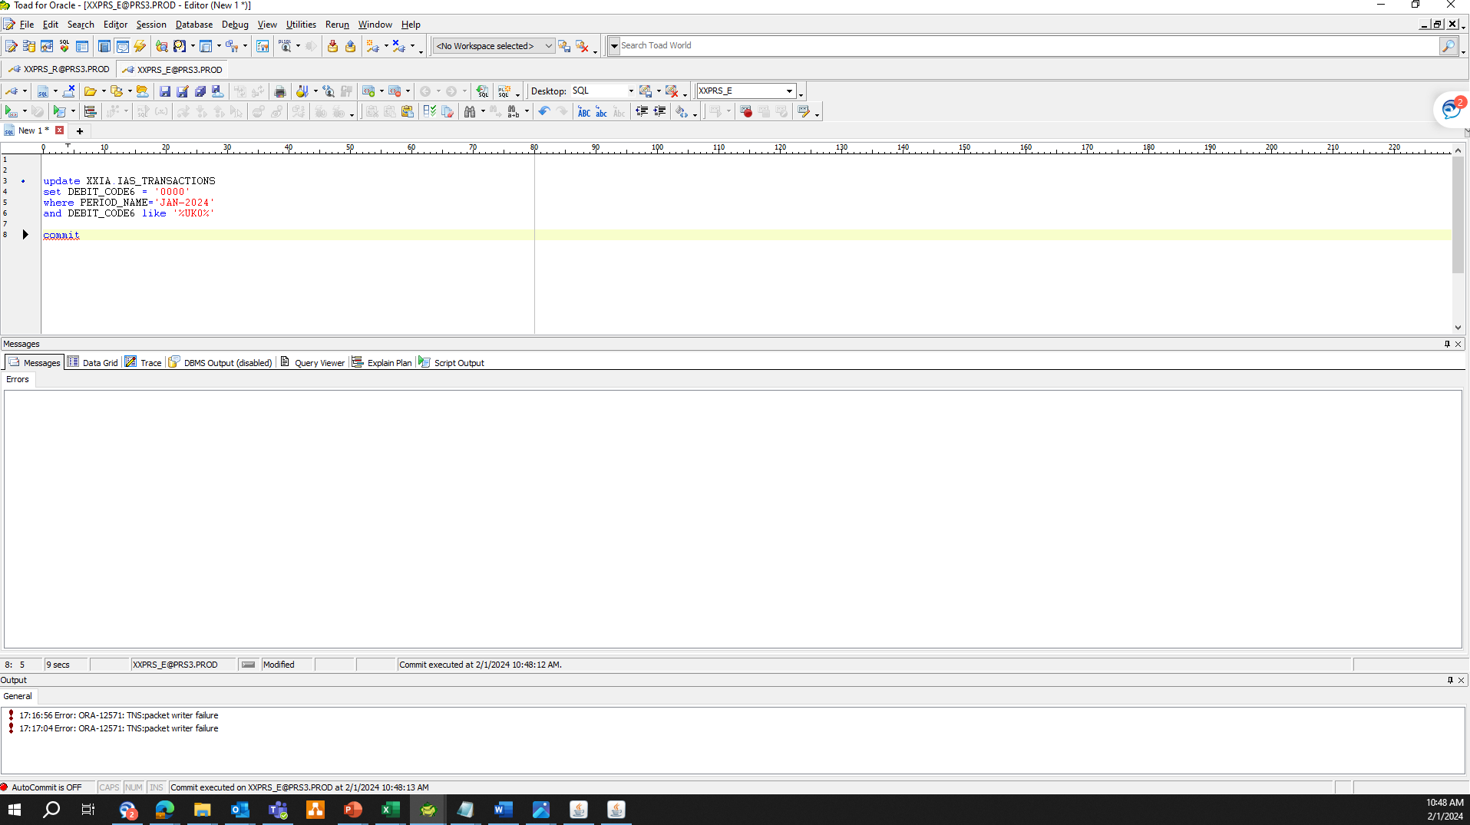
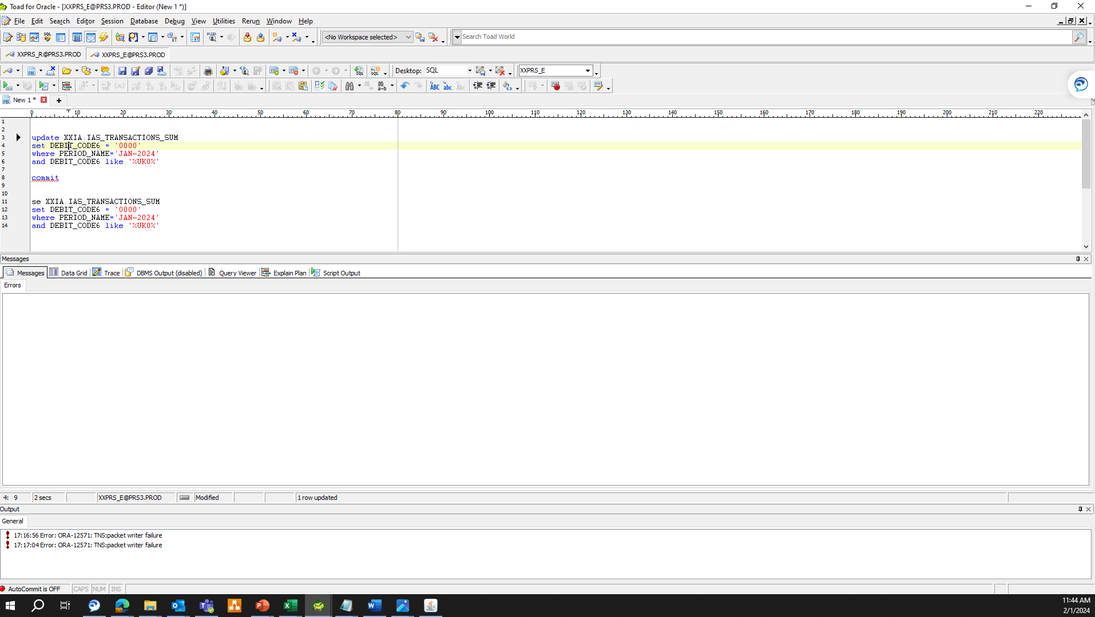
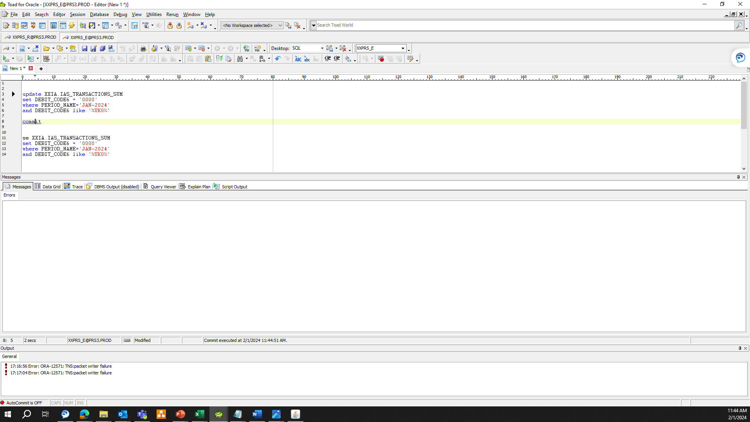
updated the segment 6 into '0000' sa XXIA.IAS_TRANSACTIONS at XXIA.IAS_TRANSACTIONS
KASI SA 2 TABLE NA TO BUMARA YUNG MALING CC

